Body Surface Model Dimensions
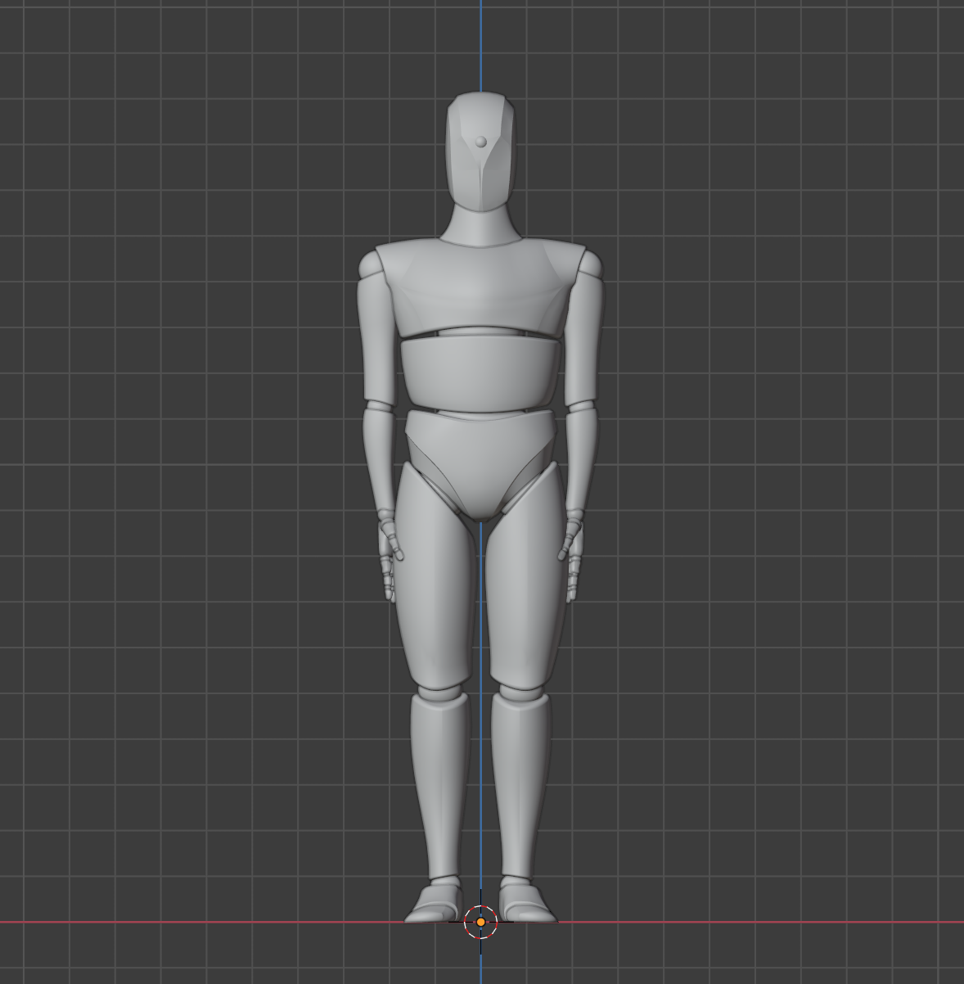
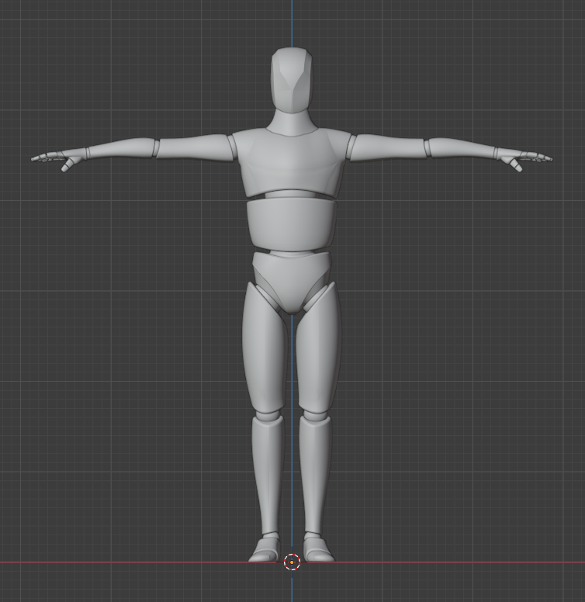

1817
1705

468

1134
394

1494

1022

817

511.6901426

